Assumptions
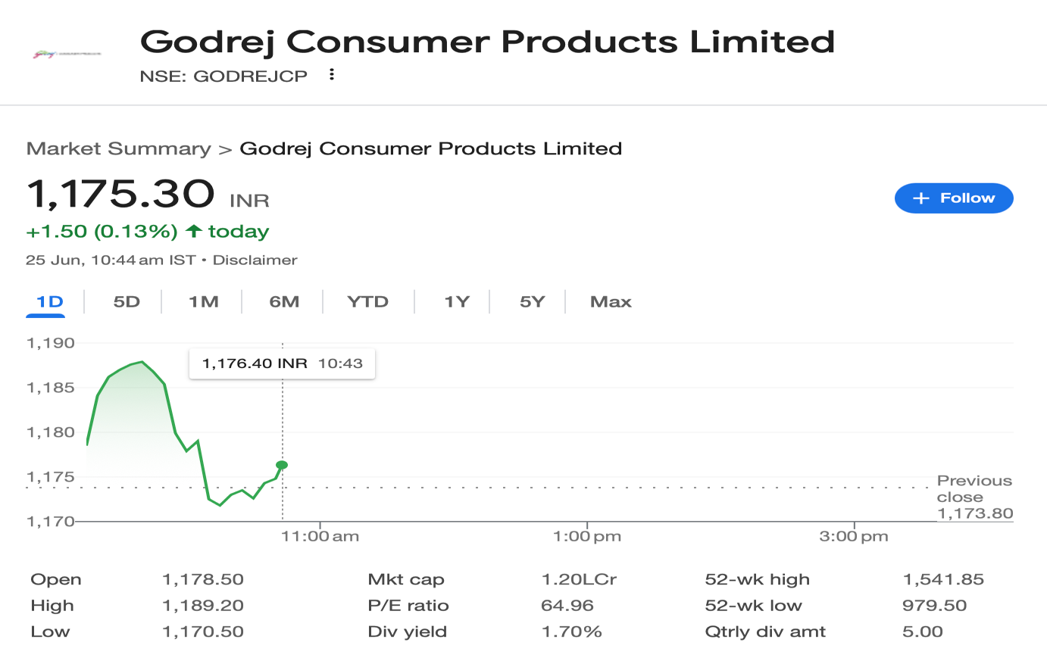

Company Description | Godrej Consumer Products Limited
ISIN Code | INE102D01028
Sector Name | FMCG
Industry | Consumer Products
Exchange Name | BSE: 532424, NSE: GODREJCP
Website | https://www.godrejcp.com/
Company Description | Godrej Consumer Products Limited (GCPL) is a prominent player in the FMCG sector and part of the 126-year-old Godrej Group. The Company operates across key categories such as home care, personal care, and hygiene, with popular brands like Goodknight, HIT, and Godrej Aer. GCPL has a strong global footprint across Asia, Africa, and Latin America, reaching over 1.4 billion consumers. The company recently enhanced its lifestyle portfolio by acquiring Raymond Consumer Care Limited, adding Park Avenue and Kamasutra brands to its offerings
Current Market Price | 1175

Scenario |  | Case
Base case |  | 2

Company data
Particulars |  | Amount
No of Outstanding shares | Nos | 1,022,820,329
Face Value per share | Rs. | 1
Current Market Price | Rs. | 1,175
Market Capitalisation | INR in crs | 120,212.07

Assumptions
Domestic Sales growth rate | % | 0.80%
Export Sales growth rate | % | 3.00%
Perpetual Growth rate | % | 6.00%
10 year Bond yield rate | % | 6.26%
Interest rate | % | 5.00%

Company Export data
Year |  | Revenue in Crs
2020 |  | 4,534.51
2021 |  | 4,901.00
2022 |  | 5,474.28
2023 |  | 5,740.65
2024 |  | 5,778.86

Sheet | Reference | Assumptions
Revenue Buildup | G12:P12, G18:P18, G21:P21 | Other operating income, Other Income and Share of associate's profits are projected as % on Sale of goods - based on previous year metrics.
 | G35:G37 | Company sales are projected as taking latest year as base case and Adjusted by 2% for best and worst cases and increased by assumed growth rate as mentioned in above assumptions. .
 | G42:G44 | Revenue per case is projected as taking latest year as base case and Adjusted by 2% for best and worst cases and increased by assumed growth rate as mentioned in above assumptions.
Cost Buildup | G13:P34 | All the costs are projected as a % of sale of goods except for finance costs which are calculated on PY end borrowings and latest years's % rates are used for projections.
 | H37:Q37 | Tax Rate is estimated at 2% increase for every 2 years.
Fixed Assets Schedule (FAS) | G11:P249 | Figures of the year 2023 are used to forecast the additions, disposals and depreciation of Fixed assets, Intangibles and ROU assets with 4% growth rate for the 1st projected year and for every 3 years.
 | G257:P257 | Capital WIP is forecasted at same absolute growth and increased by 4% for every 3 years.
BS Items | H13:Q55 | Balance sheet items are projected as % on Revenue using the latest previous year's % as base otherwise as mentioned and Borrowings are adjusted (assummed to be taken/repaid) based on availability of Cash & Cash equivalents
Working Capital | G11:Q13 | Trade Receivables, Inventory and Trade Payables are forecasted at 5% annual growth rate for forecasted period taking previous sa base.
Balance Sheet | H32:Q32 | Cash and Cash equivalents are taken as the balancing figures in the Balance Sheet.

Revenue Buildup
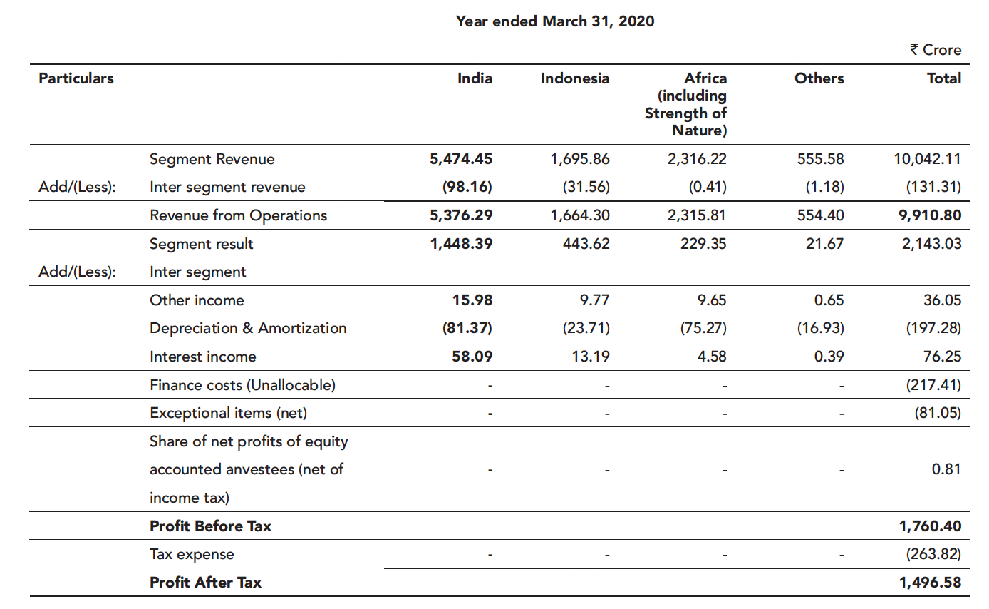
 |  |  |  |  |  |  |  |  |  |  |  |  |  | (INR in Crores)
Revenue Buildup
Particulars | 2020 | 2021 | 2022 | 2023 | 2024 | 2025 | 2026 | 2027 | 2028 | 2029 | 2030 | 2031 | 2032 | 2033 | 2034
 | Audited | Audited | Audited | Audited | Audited | Estimated | Projected | Projected | Projected | Projected | Projected | Projected | Projected | Projected | Projected

Sale of Products | 9,826.51 | 10,936.01 | 12,174.22 | 13,198.68 | 13,974.06 | 15,074.03 | 16,305.68 | 17,687.27 | 19,241.49 | 20,995.07 | 22,979.61 | 25,232.60 | 27,798.63 | 30,730.96 | 34,093.39
Other Operating Revenues | 84.29 | 92.61 | 102.28 | 117.29 | 122.05 | 132.82 | 143.67 | 155.84 | 169.54 | 184.99 | 202.47 | 222.32 | 244.93 | 270.77 | 300.40
(% on Sale of Products) | 0.9% | 0.8% | 0.8% | 0.9% | 0.9% | 0.9% | 0.9% | 0.9% | 0.9% | 0.9% | 0.9% | 0.9% | 0.9% | 0.9% | 0.9%

Revenue from Operations | 9,910.80 | 11,028.62 | 12,276.50 | 13,315.97 | 14,096.11 | 15,206.85 | 16,449.35 | 17,843.12 | 19,411.03 | 21,180.06 | 23,182.09 | 25,454.93 | 28,043.57 | 31,001.73 | 34,393.78
Y-O-Y Growth |  | 11.28% | 11.31% | 8.47% | 5.86% | 7.88% | 8.17% | 8.47% | 8.79% | 9.11% | 9.45% | 9.80% | 10.17% | 10.55% | 10.94%

Other Income | 112.30 | 67.07 | 89.71 | 168.41 | 268.95 | 290.12 | 313.83 | 340.42 | 370.33 | 404.08 | 442.27 | 485.64 | 535.02 | 591.46 | 656.17
 | 1% | 1% | 1% | 1% | 2% | 2% | 2% | 2% | 2% | 2% | 2% | 2% | 2% | 2% | 2%

Share of Associate's profits | 0.81 | (0.01) | 0.28 | - | - | 1.51 | 1.63 | 1.77 | 1.92 | 2.10 | 2.30 | 2.52 | 2.78 | 3.07 | 3.41
 | 0% | 0% | 0% | 0% | 0% | 0% | 0% | 0% | 0% | 0% | 0% | 0% | 0% | 0% | 0%

Exceptional Items | (81.05) | (44.47) | (9.75) | (54.11) | (2,476.86) | (586.27) | (634.17) | (687.90) | (748.35) | (816.55) | (893.73) | (981.36) | (1,081.16) | (1,195.20) | (1,325.97)
 | -1% | 0% | 0% | 0% | -18% | -4% | -4% | -4% | -4% | -4% | -4% | -4% | -4% | -4% | -4%
Company Sales
Within India | 5,376.29 | 6,127.62 | 6,802.22 | 7,575.32 | 8,317.25 | 9,138.36 | 10,067.60 | 11,122.04 | 12,321.87 | 13,691.01 | 15,257.92 | 17,056.55 | 19,127.52 | 21,519.62 | 24,291.61
Outside India | 4,534.51 | 4,901.00 | 5,474.28 | 5,740.65 | 5,778.86 | 6,068.49 | 6,381.75 | 6,721.07 | 7,089.16 | 7,489.04 | 7,924.16 | 8,398.37 | 8,916.04 | 9,482.11 | 10,102.17
 | 9,910.80 | 11,028.62 | 12,276.50 | 13,315.97 | 14,096.11 | 15,206.85 | 16,449.35 | 17,843.12 | 19,411.03 | 21,180.06 | 23,182.09 | 25,454.93 | 28,043.57 | 31,001.73 | 34,393.78
Domestic Growth Y-O-Y |  | 13.97% | 11.01% | 11.37% | 9.79% | 9.87% | 10.17% | 10.47% | 10.79% | 11.11% | 11.44% | 11.79% | 12.14% | 12.51% | 12.88%
Export Growth Y-O-Y |  | 8.08% | 11.70% | 4.87% | 0.67% | 5.01% | 5.16% | 5.32% | 5.48% | 5.64% | 5.81% | 5.98% | 6.16% | 6.35% | 6.54%
Scenario: Domestic Sales
Best case |  |  |  |  |  | 11.87% | 12.23% | 12.60% | 12.97% | 13.36% | 13.76% | 14.18% | 14.60% | 15.04% | 15.49%
Base case |  |  |  |  |  | 9.87% | 10.17% | 10.47% | 10.79% | 11.11% | 11.44% | 11.79% | 12.14% | 12.51% | 12.88%
Worst case |  |  |  |  |  | 7.87% | 8.11% | 8.35% | 8.60% | 8.86% | 9.13% | 9.40% | 9.68% | 9.97% | 10.27%

Scenario: Exports Sales
Best case |  |  |  |  |  | 7.01% | 7.22% | 7.44% | 7.66% | 7.89% | 8.13% | 8.37% | 8.62% | 8.88% | 9.15%
Base case |  |  |  |  |  | 5.01% | 5.16% | 5.32% | 5.48% | 5.64% | 5.81% | 5.98% | 6.16% | 6.35% | 6.54%
Worst case |  |  |  |  |  | 3.01% | 3.10% | 3.20% | 3.29% | 3.39% | 3.49% | 3.60% | 3.70% | 3.82% | 3.93%

Charts
Revenue & YoY Growth
 | Revenue from Operations | YoY Growth
2020 | 9,910.80
2021 | 11,028.62 | 11.28%
2022 | 12,276.50 | 11.31%
2023 | 13,315.97 | 8.47%
2024 | 14,096.11 | 5.86%
2025 | 15,206.85 | 7.88%
2026 | 16,449.35 | 8.17%
2027 | 17,843.12 | 8.47%
2028 | 19,411.03 | 8.79%
2029 | 21,180.06 | 9.11%
2030 | 23,182.09 | 9.45%
2031 | 25,454.93 | 9.80%
2032 | 28,043.57 | 10.17%
2033 | 31,001.73 | 10.55%
2034 | 34,393.78 | 10.94%
EBITDA vs Net Profit
 | EBITDA | Net Profit
2020 | 2,143.03 | 1,496.58
2021 | 2,388.25 | 1,720.82
2022 | 2,395.11 | 1,783.39
2023 | 2,430.46 | 1,702.46
2024 | 2,943.47 | -560.55
2025 | 3,224.79 | 2,058.47
2026 | 3,486.26 | 2,234.81
2027 | 3,779.34 | 2,377.99
2028 | 4,108.78 | 2,596.48
2029 | 4,480.21 | 2,776.74
2030 | 4,900.26 | 3,056.85
2031 | 5,376.80 | 3,281.68
2032 | 5,919.19 | 3,635.27
2033 | 6,538.61 | 3,931.31
2034 | 7,248.46 | 4,371.93

ROE vs ROCE
 | Return on Equity | Return on Capital Employed
2020 |  | 14%
2021 | 20% | 17%
2022 | 17% | 14%
2023 | 13% | 11%
2024 | -4% | -4%
2025 | 14% | 10%
2026 | 12% | 9%
2027 | 10% | 8%
2028 | 9% | 7%
2029 | 8% | 6%
2030 | 8% | 6%
2031 | 7% | 6%
2032 | 7% | 6%
2033 | 6% | 5%
2034 | 6% | 5%

